Cover
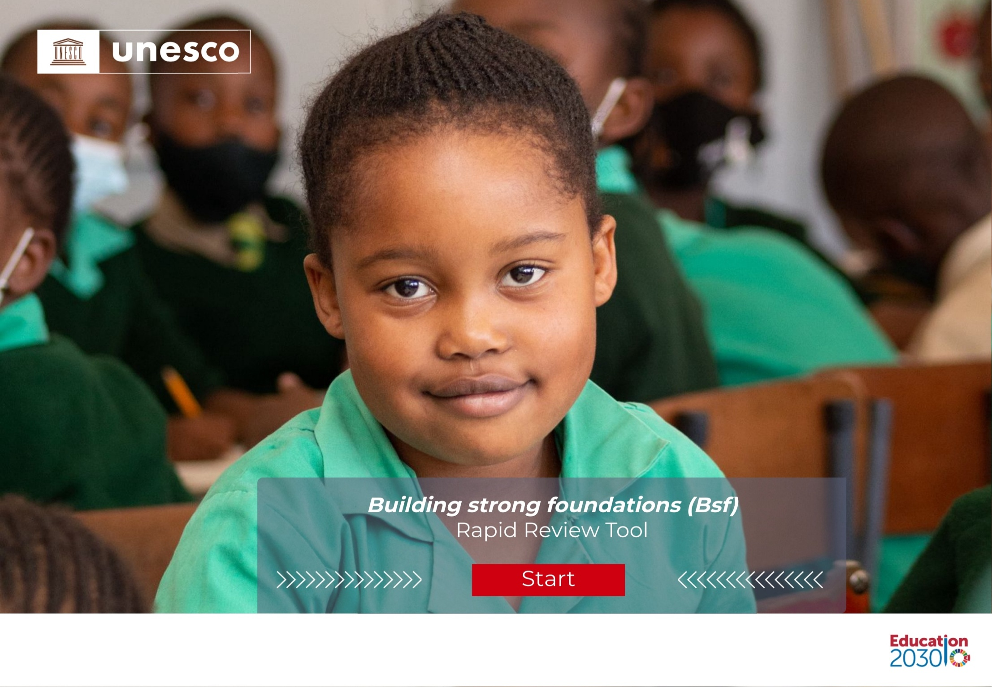

Home
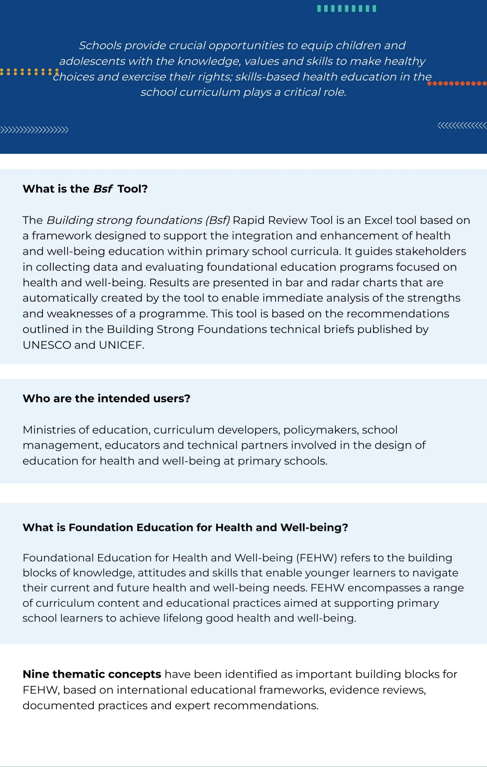

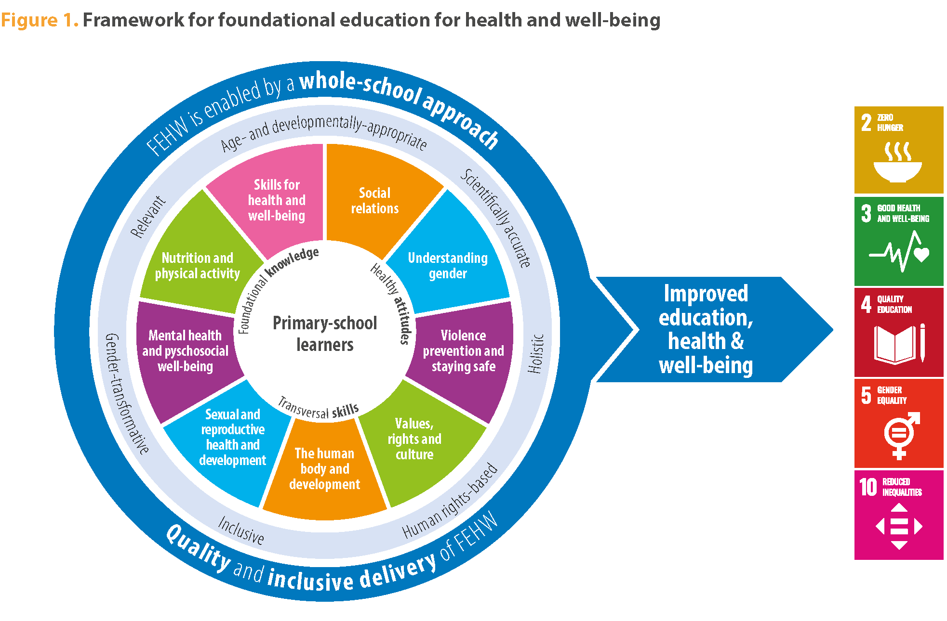

Instructions
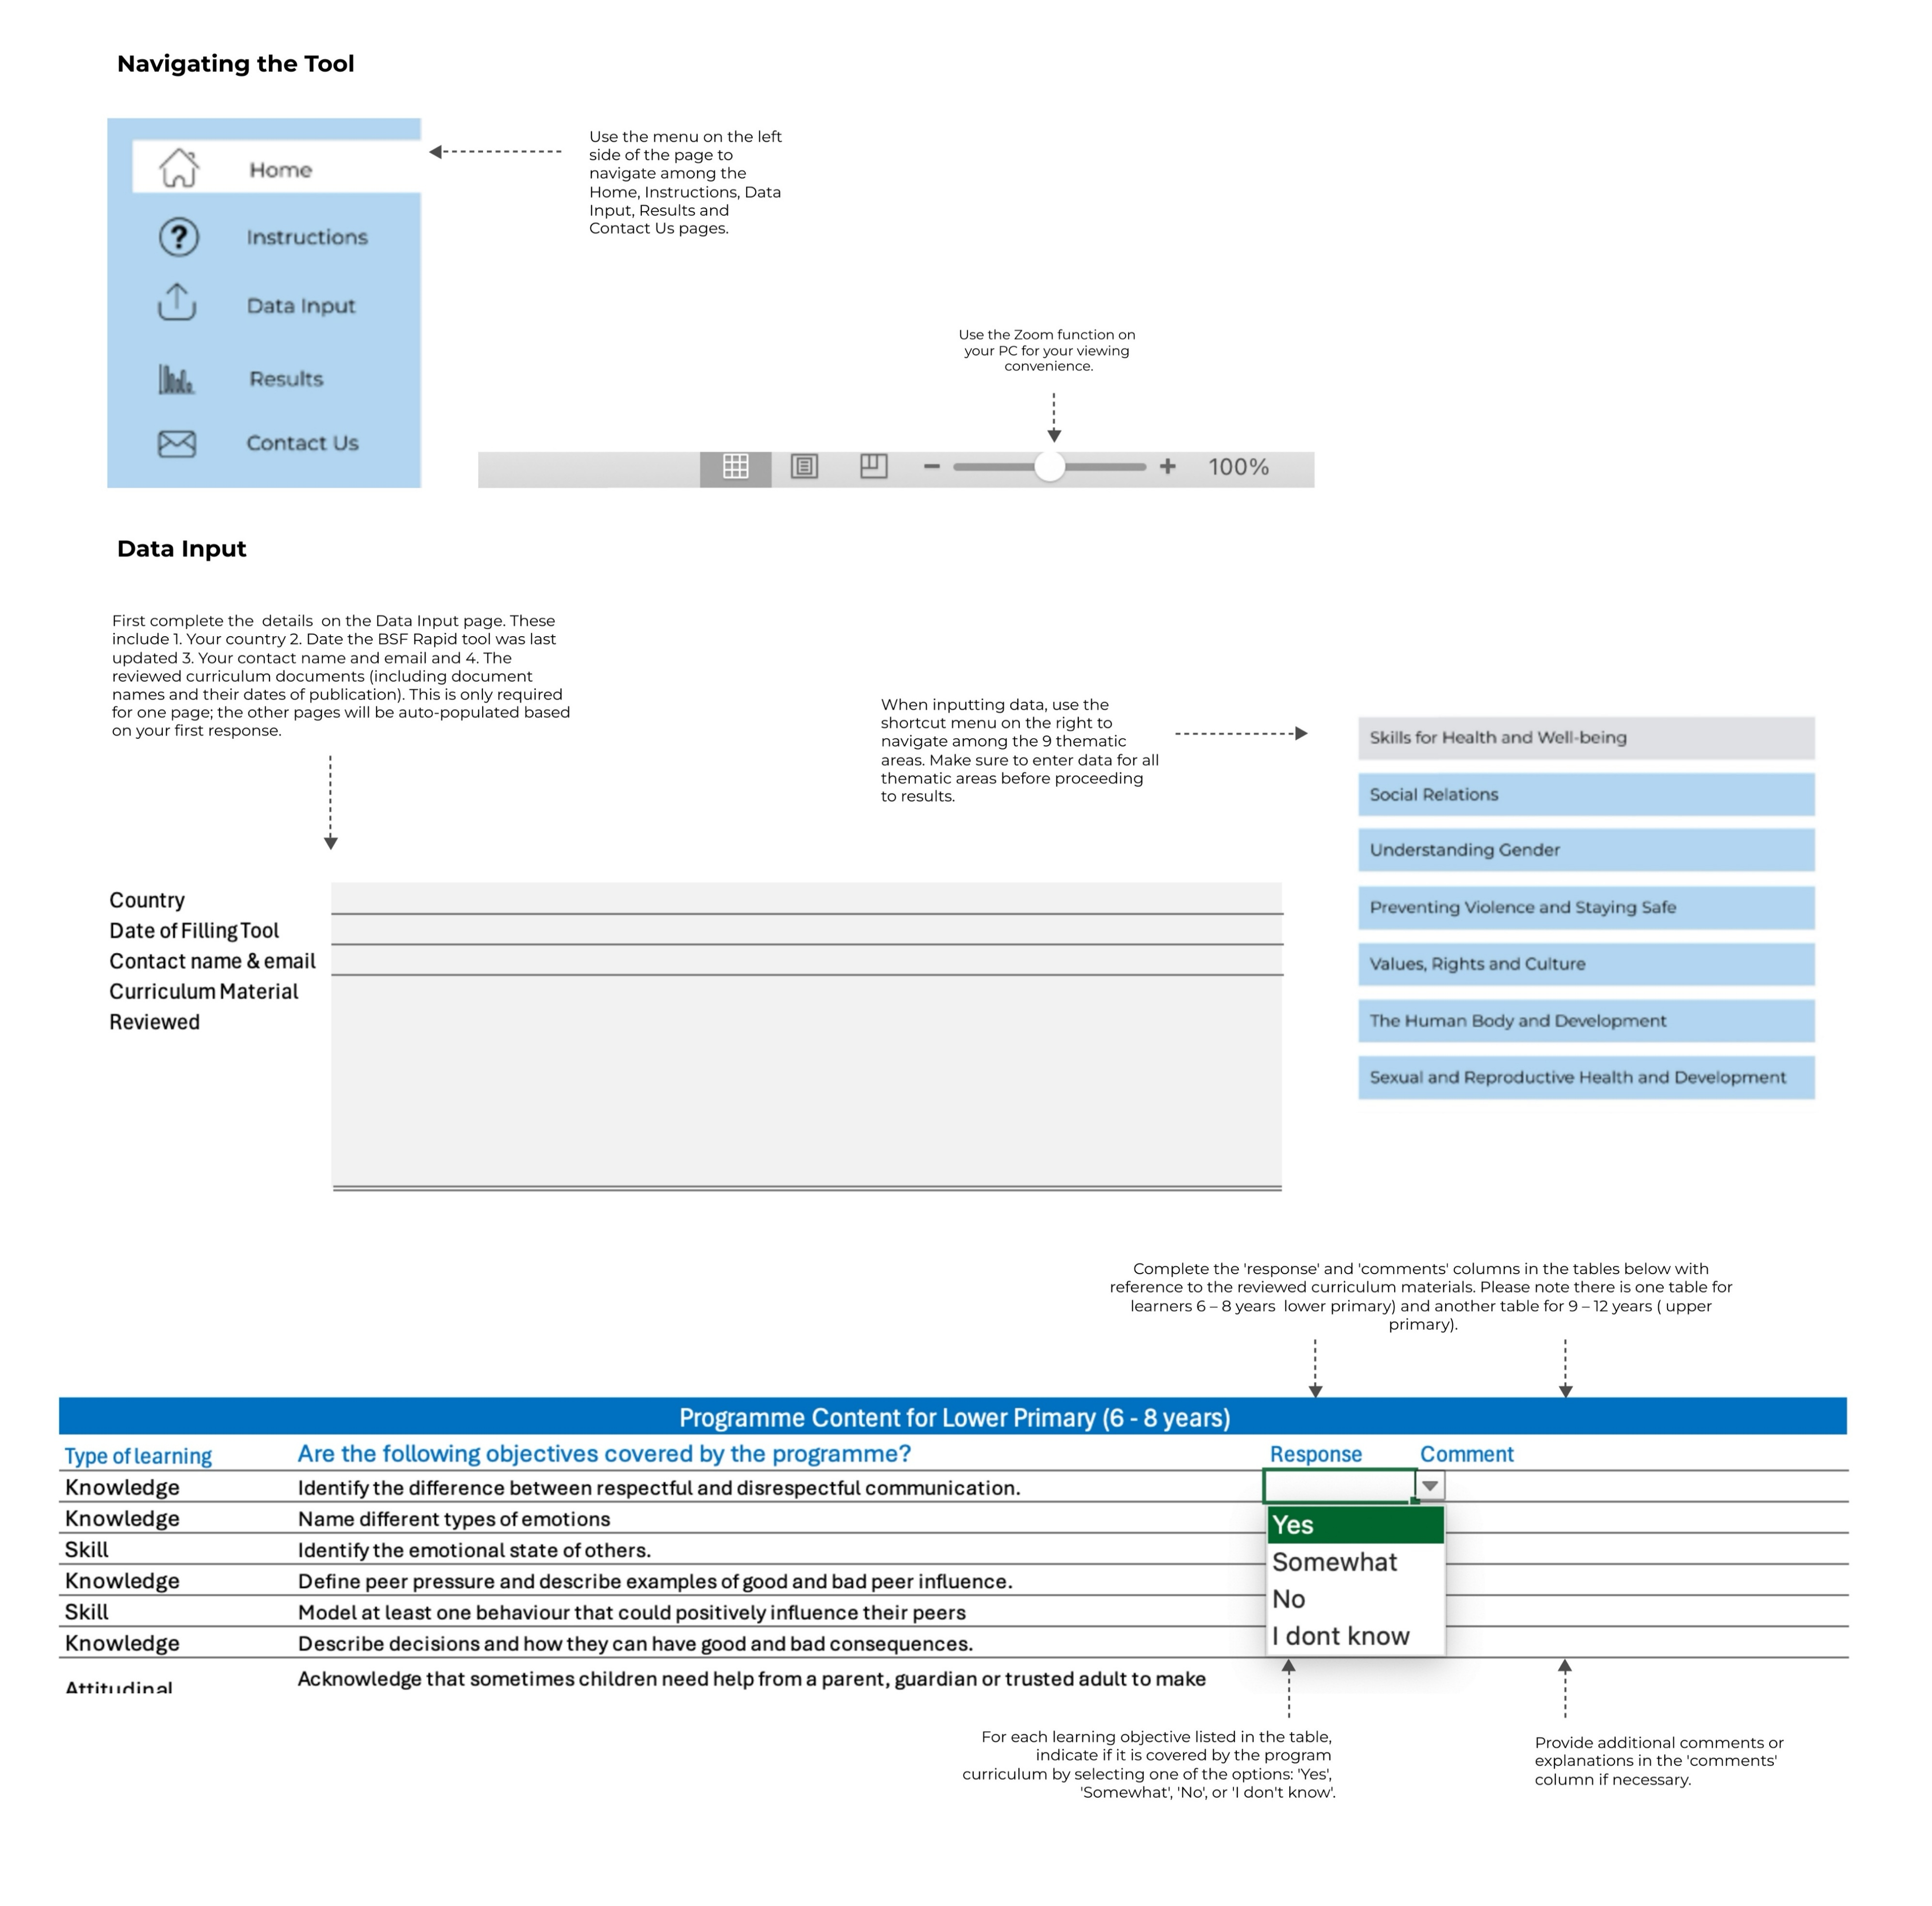

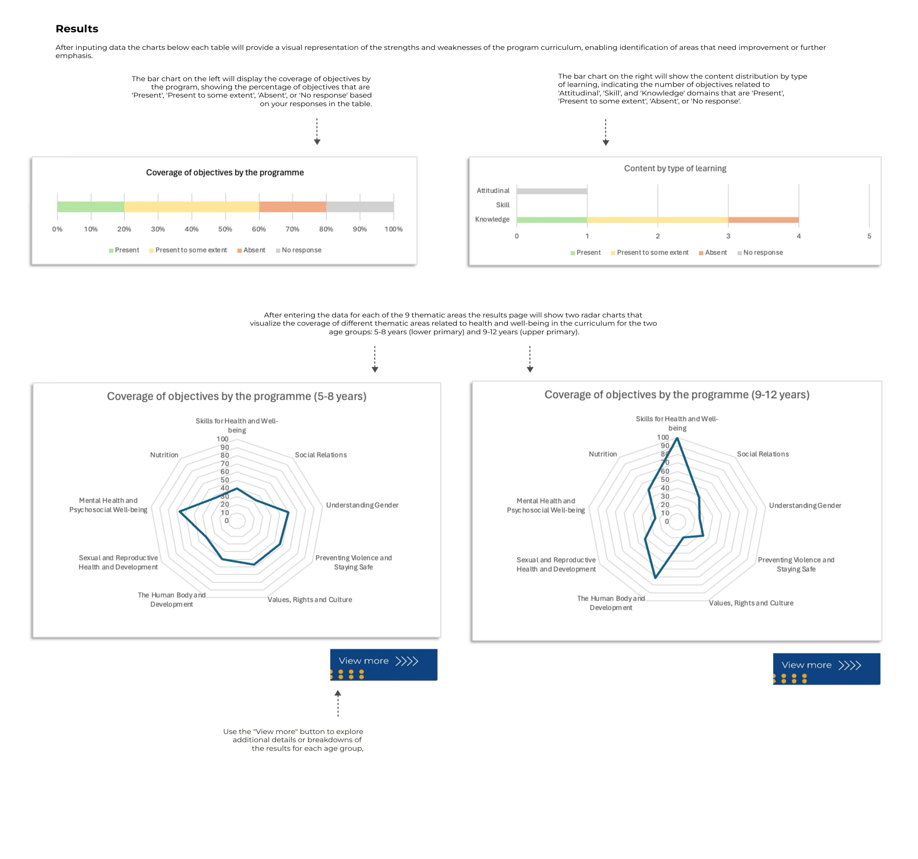

Data Input
Details

Country
Latest Date of Update
Contact name & email
Curriculum Material Reviewed

Programme Content for Lower Primary (6 - 8 years)
Type of learning | Are the following objectives covered by the programme? | Response | Comment
Knowledge | Identify the difference between respectful and disrespectful communication. |  |  | Type | Yes | Somewhat | No | I dont know
Knowledge | Name different types of emotions. |  |  | Count | 0 | 0 | 0 | 0
Skill | Identify the emotional state of others.
Knowledge | Define peer pressure and describe examples of good and bad peer influence. |  |  | Types | Present | Present to some extent | Absent | No response
Skill | Model at least one behaviour that could positively influence their peers. |  |  | Knowledge | 0 | 0 | 0 | 0
Knowledge | Describe decisions and how they can have good and bad consequences. |  |  | Skill | 0 | 0 | 0 | 0
Attitudinal | Acknowledge that sometimes children need help from a parent, guardian or trusted adult to make decisions. |  |  | Attitudinal | 0 | 0 | 0 | 0
Skill | Identify a parent, guardian or trusted adult who can help them make good decisions.
Skill | Demonstrate ways to seek out and ask a trusted adult for help.
Knowledge | Discuss examples of information provided through media that is ‘true’ or ‘false’.

Coverage of objectives by the programme
Content by type of learning

Programme Content for Upper Primary (9-12 years)
Type of learning | Are the following objectives covered by the programme? | Response | Comment | Type | Yes | Somewhat | No | I dont know
Skill | Demonstrate effective ways to communicate wishes, needs and personal boundaries. |  |  | Count | 0 | 0 | 0 | 0
Skill | Demonstrate ways to negotiate through clear and respectful communication.
Skill | Demonstrate the ability to refuse to do something that they do not want to do. |  |  | Types | Present | Present to some extent | Absent | No response
Knowledge | Describe positive and negative peer influences on decisions and behaviours related to health and well-being. |  |  | Knowledge | 0 | 0 | 0 | 0
Skill | Demonstrate how to set goals and plans and show an understanding of how to establish and work toward the achievement of specific short- and long-term outcomes. |  |  | Skill | 0 | 0 | 0 | 0
Skill | Demonstrate how to solve problems creatively, including engaging in a creative and logical process of exploring alternative possibilities and how that can lead to responsible, goal-directed action to overcome obstacles.
Skill | Recognize problems for which children may need to seek help (e.g. abuse, harassment, bullying, illness).
Skill | Demonstrate ways to seek out and access help in the wider community.
Knowledge | Recognize the benefits of digital information and communication technologies (e.g. for education and social interactions), and the potential risks of their use
Skill | Demonstrate how to reduce the risks of using digital information and communication technologies.

Content by type of learning
 | Present | Present to some extent | Absent | No response
Knowledge | 0 | 0 | 0 | 0
Skill | 0 | 0 | 0 | 0

Notes
Ages 5 to 12 are critical for the development of skills that are vital for positive outcomes in all domains of life, including health, well-being and education. High-quality education for health and well-being is centered on active learning that supports the acquisition of practical skills, including those that are specific to health and well-being themes, as well as transversal or transferrable skills.
When developing content on skills for health and well-being for primary school curricula, the following considerations are important:
Undertake a process to select skills that are relevant for the context and the overall aims of the official curriculum (UNICEF, 2019). Many skills that contribute to health and well-being aretransferrable and may also contribute to other learning outcome areas.
Social and emotional learning is critical for health and well-being skills development. For example, fostering empathy, solidarity and compassion can help children develop skills to protect and care for themselves and others (UNESCO, 2023). The first step is building emotional awareness, helping children to name their emotions and identify the emotional state of others (UNESCO MGIEP, n.d.).
To fully develop a skill, children must have opportunities to practice it. Providing multiple opportunities for learners to practice their newly acquired skills for health and well-being will lead to optimal learning outcomes.
Accounting for adequate teacher training and support for delivering and assessing skills-based learning is vital when designing curricula.
Skills of particular importance for primary school-aged learners for good health and well-being include:

2
Details

Country | 0
Latest Date of Update | 0
Contact name & email | 0
Curriculum Material Reviewed | 0

Programme Content for Lower Primary (6 - 8 years)
Type of learning | Are the following objectives covered by the programme? | Response | Comment
Knowledge | Describe different kinds of families (e.g. two-parent, single-parent, child-headed, guardian-headed, extended, nuclear and non-traditional families).
Attitudinal | Discuss that all of the different kinds of families should be respected. |  |  | Type | Yes | Somewhat | No | I dont know
Skill | Demonstrate skills to communicate one’s needs and roles within the family. |  |  | Count | 0 | 0 | 0 | 0
Knowledge | Describe key components of healthy friendships (e.g. trust, sharing, respect, support, empathy and solidarity).
Skill | Demonstrate how to express the key components of healthy friendships to others.
Skill | Demonstrate ways to treat others with fairness, kindness, dignity and respect. |  |  | Types | Present | Present to some extent | Absent | No response
Knowledge | Describe the concepts of ‘family’ and ‘marriage’. |  |  | Knowledge | 0 | 0 | 0 | 0
Knowledge | Develop a basic understanding of what consent means (e.g. define safe touch and unsafe touch). |  |  | Skill | 0 | 0 | 0 | 0
Skill | Demonstrate how to say no to something they don’t like. |  |  | Attitudinal | 0 | 0 | 0 | 0

Content by type of learning
Coverage of objectives by the programme

Programme Content for Upper Primary (9-12 years)
Type of learning | Are the following objectives covered by the programme? | Response | Comment | Type | Yes | Somewhat | No | I dont know
Knowledge | Describe ways that parents, guardians and other family members support children’s decisions. |  |  | Count | 0 | 0 | 0 | 0
Knowledge | Describe ways that health and illness can affect family members’ roles and responsibilities.
Attitudinal | Acknowledge that it is important to show tolerance, inclusion and respect for others. |  |  | Types | Present | Present to some extent | Absent | No response
Knowledge | Explore ways that power dynamics within relationships affects personal relationships (e.g. due to gender, age, economic status and differences in power). |  |  | Knowledge | 0 | 0 | 0 | 0
Knowledge | Describe what consent means in relationships with peers and in romantic relationships.
Skill | Demonstrate how to say no to something they don’t want. |  |  | Skill | 0 | 0 | 0 | 0
Knowledge | Gain a basic understanding of how to distinguish healthy and safe romantic and intimate relationships from unhealthy and unsafe relationships.
Skill | Demonstrate ways to counter harassment and bullying.

Coverage of objectives by the programme
Content by type of learning
 | Present | Present to some extent | Absent | No response
Knowledge | 0 | 0 | 0 | 0
Skill | 0 | 0 | 0 | 0

Notes
Healthy and respectful relationships––with parents, families, peers, etc.––are essential to promote good health and both individual and societal well-being. The life stage from 5 to 12 years is a critical period for social development as this is when children and very young adolescents are developing attitudes and behavioural patterns that will shape their interpersonal relationships throughout life. Developing skills and understanding in childhood about how to foster healthy, respectful and positive relationships is crucial.
When developing content on social relations for primary school curricula, the following considerations are important:
A starting point to teach children how to create and nurture relationships with their families and peers is self-awareness, including body awareness and self-esteem. Fostering self-awareness provides younger learners with a sense of who they are in relation to others.
Social and emotional learning plays an important role in supporting learners to foster healthy social relations.
When designing content on social relations, it is important to acknowledge and respect diversity, including family composition, disabilities, ethnicity, etc. It is likewise important to promote inclusion.
Education on consent for primary school-aged learners is essential for building healthy and respectful relationships and for protecting children who might be more exposed and vulnerable to harm (UNESCO et al., 2018). For younger learners, the topic of consent can be introduced in concrete ways. For example, exploring the idea that if a friend asks you to play a game that you do not feel like doing, it is fine not to play the game.
Topics of particular importance for primary school-aged learners to foster healthy and positive social relations include:

3
Details

Country | 0
Latest Date of Update | 0
Contact name & email | 0
Curriculum Material Reviewed | 0

Programme Content for Lower Primary (6 - 8 years)
Type of learning | Are the following objectives covered by the programme? | Response | Comment
Knowledge | Define the concepts of biological sex and gender. |  |  | Type | Yes | Somewhat | No | I dont know
Knowledge | Give examples of how children learn gender roles from families and communities. |  |  | Count | 0 | 0 | 0 | 0
Attitudinal | Acknowledge biological differences, while appreciating that everyone is valuable, regardless of sex or gender. All people should have the same opportunities and should be treated with respect.
Knowledge | Identify how people may be treated unfairly because of being a girl, boy, woman or man. |  |  | Types | Present | Present to some extent | Absent | No response
Knowledge | Explain how gender norms (society’s expectations of how girls, boys, women and men should act and be treated) can influence experiences of violence (i.e. gender-based violence). |  |  | Knowledge | 0 | 0 | 0 | 0

Coverage of objectives by the programme
Content by type of learning
 | Present | Present to some extent | Absent | No response
Knowledge | 0 | 0 | 0 | 0
Attitudinal | 0 | 0 | 0 | 0
 |  |  |  | Attitudinal | 0 | 0 | 0 | 0

Programme Content for Upper Primary (9-12 years)
Type of learning | Are the following objectives covered by the programme? | Response | Comment | Type | Yes | Somewhat | No | I dont know
Knowledge | Identify examples of how social norms and beliefs can influence gender roles. |  |  | Count | 0 | 0 | 0 | 0
Knowledge | Explain the negative consequences of gender inequality and power differences in relationships.
Knowledge | Recognize how gender norms influence health and well-being related behaviours and access to health services. |  |  | Types | Present | Present to some extent | Absent | No response
Knowledge | List examples of gender-based violence (e.g. bullying, sexual harassment, psychological violence, domestic violence, rape, homophobic and transphobic violence).
Skill | Identify spaces where gender-based violence may occur, including at school, at home, in public and online. |  |  | Knowledge | 0 | 0 | 0 | 0
Attitudinal | Acknowledge that all forms of gender-based violence are a violation of human rights (including bullying, sexual harassment, domestic violence, online violence and gender-based violence, etc.). |  |  | Skill | 0 | 0 | 0 | 0
Skill | Demonstrate ways of promoting gender equality, including at school and at home. |  |  | Attitudinal | 0 | 0 | 0 | 0
Knowledge | Explore how masculinity can be expressed in a positive way that encourages the promotion of gender equality.

Coverage of objectives by the programme
Content by type of learning

Notes
Gender norms take root at an early age and have an impact on health and well-being (Siyanova- Chanturia et al., 2015; UNESCO, 2019a). Gender stereotypes can influence children’s self-perceptions
and interests, as well as shape the way they behave with others (Bian et al., 2017). Helping children to understand basic concepts about gender and gender equality can support them to enter adolescence bearing the knowledge and skills that prevent gender-based violence, early and unintended pregnancy and HIV. Age- and developmentally-appropriate learning about gender helps children and very young adolescents foster healthy interpersonal relationships and contributes to creating more gender equitable societies.
When developing content on gender for primary school curricula, the following considerations are important:
Use concrete examples of gender issues from learners’ real-life experiences. Recognizable examples and experiential learning help learners understand that gender is more than an abstract concept.
Acknowledge that gender inequality exists in all countries and contexts to some degree. Recognize that there may be differences between what is taught in the classroom and learners’ personal experiences.
When teaching about gender and gender equality, it is important to support learners to deal with situations in which they may observe gender inequality or discrimination in their daily lives. This includes planning ways to defuse potential disagreements in class and maintain open and respectful discussion.
Attitudes and understanding of gender norms often differ among people in the same context (for example, those from different generations or backgrounds). It is important for teachers to be sensitive about the nature (and variability) of gender dynamics in their local setting, while also reinforcing that gender equality is a human right. Developing skills to analyse differences in beliefs and opinions is important when teaching about gender.
Topics of particular importance for primary school-aged learners to gain an understanding of gender include:

4
Details

Country | 0
Latest Date of Update | 0
Contact name & email | 0
Curriculum Material Reviewed | 0

Programme Content for Lower Primary (6 - 8 years)
Type of learning | Are the following objectives covered by the programme? | Response | Comment
Knowledge | Define different forms of violence, such as teasing, bullying, child abuse. |  |  | Type | Yes | Somewhat | No | I dont know
Attitudinal | Acknowledge that all forms of violence are wrong, and that a child who experiences violence is never at fault, including when violence is carried out by a family member or other adult. |  |  | Count | 0 | 0 | 0 | 0
Skill | Demonstrate safe actions they can take if they experience violence, bullying, abuse or harassment.
Skill | Demonstrate how to respond if someone is touching them in a way that makes them feel unsafe or uncomfortable. |  |  | Types | Present | Present to some extent | Absent | No response
Attitudinal | Acknowledge that they can talk to a parent, guardian or trusted adult if they experience or witness violence. |  |  | Knowledge | 0 | 0 | 0 | 0
Skill | Identify trusted adults and demonstrate how to speak to a trusted adult if they experience or witness violence. |  |  | Skill | 0 | 0 | 0 | 0
Skill | Demonstrate ways to talk to a trusted adult if something they have seen or done on the internet makes them feel uncomfortable or scared. |  |  | Attitudinal | 0 | 0 | 0 | 0

Coverage of objectives by the programme
Content by type of learning

Programme Content for Upper Primary (9-12 years)
Type of learning | Are the following objectives covered by the programme? | Response | Comment | Type | Yes | Somewhat | No | I dont know
Knowledge | Recall different forms of violence and describe examples of sexual abuse, sexual harassment and bullying. |  |  | Count | 0 | 0 | 0 | 0
Knowledge | Gain an understanding of what intimate partner violence and dating violence refer to, especially among adolescents. Describe ways to recognize and build safe and healthy intimate relationships.
Attitudinal | Acknowledge the importance of seeking support if they are or a peer is experiencing any form of violence, including online violence and cyberbullying. |  |  | Types | Present | Present to some extent | Absent | No response
Skill | Demonstrate effective ways to respond and seek help for themselves or someone they know in the case of sexual abuse, harassment, bullying or other forms of violence. This includes identifying a range of specific options for reporting violence that are available in the learners’ context (e.g. teacher, school counsellor, parent or guardian, family members, health care worker, helplines, another trusted adult, etc.). |  |  | Knowledge | 0 | 0 | 0 | 0
Knowledge | Describe how privacy about one’s body and private space can become more important during puberty.
Skill | Demonstrate how to assertively communicate to maintain privacy and protect oneself. |  |  | Skill | 0 | 0 | 0 | 0
Attitudinal | Recognize that sexually explicit media can be misleading and harmful. |  |  | Attitudinal | 0 | 0 | 0 | 0
Knowledge | Identify the kinds of strategies that child-abusers use online to befriend, ‘groom', isolate and manipulate children and adolescents in digital platforms.
Skill | Demonstrate how to seek help if online ‘grooming’, manipulation or abuse occurs.

Coverage of objectives by the programme
Content by type of learning
 | Present | Present to some extent | Absent | No response
Knowledge | 0 | 0 | 0 | 0
Skill | 0 | 0 | 0 | 0
Attitudinal | 0 | 0 | 0 | 0

Notes
Schools make a vital contribution towards ending violence against and among children. Violence prevention education curricula have proven effective in equipping learners with knowledge, skills and attitudes to prevent and respond to violence in all its forms, including bullying and cyberbullying. Prevention education is most effective when positioned within a whole-school approach through which multiple stakeholders create safe learning environments (for example, where corporal punishment is prohibited) and where school-based services or referral mechanisms linking to services outside of schools s are in place.
When developing content on preventing violence and staying safe for primary school curricula, the following considerations are important:
Violence prevention is supported by skills, such as self-awareness, self-management, social awareness, relationship skills, responsible decision-making, conflict resolution and resistance to peer pressure, among others. Teaching younger learners how to act with compassion, empathy and assertiveness with peers can promote fellowship, safety and well-being in the classroom, which can reduce different forms of bullying (Kulkarni and Patki, 2019; WHO, 2022).
Violence in schools reflects the broader context of violence that exists in the surrounding locality. School-based violence prevention should be positioned within broader social protection system strengthening. Partnerships and referral mechanisms should be established between schools and community-based actors to complement school-based violence prevention interventions (UNESCO, 2023). Linkages to social services, child protection services, health services (including mental health and psycho-social services) and legal services should be established.
Many children and adolescents have experienced violence. Discussing violence calls for sensitivity and establishing a safe learning environment. It is important to remind younger learners that ifthey experience violence or abuse, it is never their fault. Great care should be taken not to instil a sense of shame or embarrassment if a child has experienced violence or abuse.
Functional, confidential, child- and girl-friendly reporting systems should be put into place and maintained in schools. Learners should be encouraged to report any act of violence they experience or witness. Efforts should be made to ensure that they feel safe when doing so (UNESCO, 2019b).
Teaching learners how to identify different types of violence, how to speak openly about safe and unsafe touch, and how to name all body parts is critical for children to build skills for prevention and responding to violence (UNESCO, 2019b).
Violence often occurs with witnesses nearby, yet bystanders often hesitate to intervene. In some instances, the presence of bystanders might encourage perpetrators to act more aggressively, while in others, it may mediate aggression. Equipping bystanders with the skills to safely intervene and seek support can curb violence, including bullying, while ensuring that victims receive support. Safe and effective bystanders can include giving the perpetrator(s) less attention, helping victims to get to safety, seeking support from a trusted adult or promptly reporting incidents, among others (WHO, 2019).
Primary school-aged learners are increasingly accessing unfiltered information and content online that expose them to dangers, threatening their mental and physical health and safety (UNESCO, 2023). The use of digital platforms increases exposure to new forms of online violence and abuse. Violence prevention curricula should include a focus on offline and online violence, especially since associations exist between the two. It is important for younger learners to be aware of grooming, trolling and other forms of online threats, as well as how to report incidents of online violence to trusted adults.
Topics of particular importance for primary school-aged learners to help prevent violence and stay safe include:

5
Details

Country | 0
Latest Date of Update | 0
Contact name & email | 0
Curriculum Material Reviewed | 0

Programme Content for Lower Primary (6 - 8 years)
Type of learning | Are the following objectives covered by the programme? | Response | Comment
Knowledge | Define and identify important personal values, such as equality, respect, acceptance and tolerance. |  |  | Type | Yes | Somewhat | No | I dont know
Attitudinal | Acknowledge that the values and beliefs we learn from families and communities guide our understanding of ourselves, our feelings and our bodies. |  |  | Count | 0 | 0 | 0 | 0
Knowledge | Gain a basic understanding of human rights—including the right to health and child rights—and how they apply to everyone.
Knowledge | Understand how parents, guardians, other adults and governments should protect children’s human rights. |  |  | Types | Present | Present to some extent | Absent | No response
Attitudinal | Reflect on how people may hold different personal values than others in their school, community or family. |  |  | Knowledge | 0 | 0 | 0 | 0
Attitudinal | Acknowledge that some values and social customs can be harmful. |  |  | Skill | 0 | 0 | 0 | 0
Skill | Reflect on examples of values that are positive and examples of values that are potentially harmful. |  |  | Attitudinal | 0 | 0 | 0 | 0

Coverage of objectives by the programme
Content by type of learning

Programme Content for Upper Primary (9-12 years)
Type of learning | Are the following objectives covered by the programme? | Response | Comment | Type | Yes | Somewhat | No | I dont know
Knowledge | Identify sources of values and attitudes that influence health and well-being. |  |  | Count | 0 | 0 | 0 | 0
Knowledge | Identify examples of how culture, religion and society affect our understanding of health and well-being.
Skill | Demonstrate respect for diverse beliefs and practices.
Skill | Reflect on the human rights children enjoy in everyday life. |  |  | Types | Present | Present to some extent | Absent | No response
Knowledge | Gain a basic understanding of evolving capacities. Understand that when children are young, they require support from parents and trusted adults to help make decisions and to be protected; as children grow, they gain greater capacity to take responsible decisions for their lives. |  |  | Knowledge | 0 | 0 | 0 | 0
 |  |  |  | Skill | 0 | 0 | 0 | 0

Coverage of objectives by the programme
Content by type of learning
 | Present | Present to some extent | Absent | No response
Knowledge | 0 | 0 | 0 | 0
Skill | 0 | 0 | 0 | 0

Notes
Values, rights and culture have a direct impact on health and well-being and underpin other FEHW topics. Childhood is a time when learners can start to understand how personal values, culture and human rights affect their lives.
When developing content on values, rights and culture for primary school curricula, the following considerations are important:
Teaching about values, rights and culture should include concrete examples from children’s everyday lives (UNICEF, 2021a).
Visual teaching aids, storytelling and role-play can be useful to help primary school-aged learners explore values, rights and culture (UNICEF, 2021a).
Fostering skills for self-awareness and self-reflection is important to help children understand and express their own values, as well as other people’s values.
It is important that school curricula acknowledge and respect diverse values and norms, while teaching from a human rights perspective that promotes equality and non-discrimination (UNESCO and UN Women, 2016).
Topics of particular importance for primary school-aged learners to learn about values, rights and culture include:

6
Details

Country | 0
Latest Date of Update | 0
Contact name & email | 0
Curriculum Material Reviewed | 0

Programme Content for Lower Primary (6 - 8 years)
Type of learning | Are the following objectives covered by the programme? | Response | Comment
Knowledge | List names of body parts for boys and girls. |  |  | Type | Yes | Somewhat | No | I dont know
Knowledge | Identify ways that all bodies (men’s, women’s, boys’ and girls’) are the same, the ways they are different and how they can change over time. |  |  | Count | 0 | 0 | 0 | 0
Attitudinal | Acknowledge that puberty is a normal and healthy part of growing up.
Attitudinal | Recognize that being curious about one’s body is normal. |  |  | Types | Present | Present to some extent | Absent | No response
Skill | Express things that they like about their body in order to develop a positive understanding of their bodies. |  |  | Knowledge | 0 | 0 | 0 | 0
Attitudinal | Acknowledge that everyone’s body deserves respect, including people with disabilities, ethnic minorities and all genders. |  |  | Skill | 0 | 0 | 0 | 0
Knowledge | Describe personal hygiene and sanitation practices and their importance. |  |  | Attitudinal | 0 | 0 | 0 | 0
Skill | Demonstrate hand washing skills.

Coverage of objectives by the programme
Content by type of learning

Programme Content for Upper Primary (9-12 years)
Type of learning | Are the following objectives covered by the programme? | Response | Comment | Type | Yes | Somewhat | No | I dont know
Knowledge | Understand the key functions of the body that contribute to reproduction (e.g. menstrual cycle, sperm production and ejaculation of semen). |  |  | Count | 0 | 0 | 0 | 0
Attitudinal | Acknowledge that everyone’s body is unique, show acceptance and respect for different types of bodies and physical capabilities.
Knowledge | Describe the menstrual cycle and identify the physical and emotional changes that may occur throughout the cycle. |  |  | Types | Present | Present to some extent | Absent | No response
Attitudinal | Acknowledge that menstruation is normal and natural and that teasing or discrimination related to menstruation is wrong. |  |  | Knowledge | 0 | 0 | 0 | 0
Skill | Describe how to access, use and dispose of menstrual products. |  |  | Skill | 0 | 0 | 0 | 0
Skill | Apply understanding of hygiene to a personal plan for staying healthy while growing up. |  |  | Attitudinal | 0 | 0 | 0 | 0
Attitudinal | Acknowledge that physical appearance does not determine a person’s worth as a human being. Show acceptance of a variety of physical appearances, including among one’s peers.

Coverage of objectives by the programme
Content by type of learning

Notes
It is natural for children to be curious about their bodies and to want to know more. Body awareness can contribute to good health and well-being, as well as to staying safe. This includes knowing the names of body parts, a basic understanding of bodily functions, how to keep the body healthy and how to treat one’s body and those of others with respect (i.e. through hygiene, good nutrition, physical activity, etc.).
When developing content on the human body and its development for primary school curricula, the following considerations are important:
It is helpful to establish clear guidance on the language and terms that teachers can use when referring to the human body and development. In some contexts, the use of anatomical language may be preferred, while in others it may be preferable to use common terms––sometimes in local languages––that children are more accustomed to hearing. What is most important is that learners are equipped with a clear vocabulary to be able to identify and describe different body parts. When using common vocabulary, it is important to avoid terms that can perpetuate discrimination or body shame (UNESCO, 2023).
It is important for both girls and boys to learn about puberty, not only about the changes that they may experience, but also about the changes that people of other genders experience. In some contexts, puberty education focuses primarily on girls; however, it is important for boys to access puberty education as well. Learning about how puberty affects people of all genders can help to reduce stigma, discrimination and bullying (UNESCO, 2014).
Girls often enter puberty with no or very little information about menstruation or other puberty-related changes. As a result, menarche is commonly experienced with shock, shame, fear and embarrassment. Education about puberty and human development should aim to destigmatizemenstruation and to provide girls and adolescents with the knowledge and skills they require to manage their menstrual cycle safely and with dignity (UNFPA ESARO, 2021).
Developing a positive image of themselves at an earlier age is essential for younger learners, especially to help them understand that they can and should demand respect for their bodily integrity and encourage consent from an early age. It is also vital considering the impact that social media might have on young children and how they are increasingly exposed to online spaces (UNESCO, UNICEF and WFP, 2023; UNICEF, 2021b). Developing a positive body image includes open and age-appropriate discussions on eating disorders, physical activity and nutrition.
Topics of particular importance for primary school-aged learning to understand about the human body and development include:

7
Details

Country | 0
Latest Date of Update | 0
Contact name & email | 0
Curriculum Material Reviewed | 0

Programme Content for Lower Primary (6 - 8 years)
Type of learning | Are the following objectives covered by the programme? | Response | Comment
Knowledge | Describe concepts of ‘health’ and ‘illness’ and describe ways to protect one’s health. |  |  | Type | Yes | Somewhat | No | I dont know
Knowledge | Explain that pregnancy and reproduction are natural biological processes. |  |  | Count | 0 | 0 | 0 | 0
Knowledge | Describe the changes that a woman’s body undergoes during pregnancy.
Attitudinal | Recognize that people living with HIV have the right to respect, care and support and to be loved. |  |  | Types | Present | Present to some extent | Absent | No response
Knowledge | Understand that people show love and care for other people in different ways, including hugging, kissing and loving touch. |  |  | Knowledge | 0 | 0 | 0 | 0

 |  |  |  | Attitudinal | 0 | 0 | 0 | 0

Coverage of objectives by the programme
Content by type of learning
 | Present | Present to some extent | Absent | No response
Knowledge | 0 | 0 | 0 | 0
Attitudinal | 0 | 0 | 0 | 0

Programme Content for Upper Primary (9 - 12 years)
Type of learning | Are the following objectives covered by the programme? | Response | Comment | Type | Yes | Somewhat | No | I dont know
Knowledge | Describe the common signs of pregnancy. |  |  | Count | 0 | 0 | 0 | 0
Knowledge | Understand that pregnancy can result from sexual intercourse, but that sexual intercourse does not always lead to pregnancy.
Attitudinal | Acknowledge that preventing unintended pregnancy is the responsibility of both men and women. |  |  | Types | Present | Present to some extent | Absent | No response
Attitudinal | Recognize that all sexual behaviour should be safe, voluntary and with full consent. |  |  | Knowledge | 0 | 0 | 0 | 0
Attitudinal | Acknowledge that everyone has a responsibility to ensure safe and supportive environments for people living with HIV. |  |  | Skill | 0 | 0 | 0 | 0
Knowledge | List the most common sexually transmitted infections, (e.g. HIV, HPV, herpes, chlamydia, gonorrhoea) among youth in the community and the most common modes of transmission . |  |  | Attitudinal | 0 | 0 | 0 | 0
Knowledge | Describe ways to reduce the risk of acquiring or transmitting HIV and other sexually transmitted infections, including the use of condoms.
Knowledge | Explain that people living with HIV who are on effective treatment cannot pass on the virus through sex.
Skill | Demonstrate communication, negotiation and refusal skills for countering unwanted sexual pressure.
Skill | Reflect on how the decisions one makes about sex and relationships can have an impact on plans for the future.
Knowledge | Explain how during puberty, boys and girls become aware of their responses to sexual attraction and stimulation.
Skill | Identify where to look for support when questions about sexual and reproductive health arise.

Coverage of objectives by the programme
Content by type of learning

Notes
Acquiring an understanding of basic topics related to sexual and reproductive health and development at an early age is important to lay the foundation for more complex learning at later stages of life. For example, children are often curious about where babies come from. Providing age-appropriate education about pregnancy is important to lay the groundwork for more detailed education about pregnancy and pregnancy prevention in adolescence. Schools play an important role in preventing health concerns, including early and unintended pregnancies, sexually transmitted infections, including HIV and gender-based violence. Introducing incremental, age-appropriate content on sexual and reproductive health and development to primary school learners can help prevent and respond to these issues. Evidence shows that age-appropriate sexual and reproductive health education contributes to a reduction in sexual activity and sexual risk-taking behaviour (UNESCO et al., 2018).
When developing content on sexual and reproductive health for primary school curricula, the following considerations are important:
As with all other key concepts, sexual and reproductive health should be introduced in an age-appropriate and incremental way.
Sexual and reproductive health needs and the age of sexual debut vary considerably within and across regions, countries and communities. Learning objectives should be adjusted to learners’ realities and based on available data and evidence. It is important to provide basic education on bodies, sexuality and reproductive health prior to sexual debut, so that learners are equipped with the knowledge and skills for healthy relationships and safe and informed decision-making (UNESCO et al., 2018; UNESCO, 2019c).
Sexual and reproductive health issues can be sensitive and may raise personal discomfort among stakeholders involved in developing curricula. It is nevertheless important that the content is designed to respond to data on early and unintended pregnancy, sexually transmitted infections, including HIV and gender-based violence (UNESCO, 2019c).
FEHW curricula should always be designed to be inclusive of learners living with HIV, learners with disabilities and other marginalised groups.
Content on sexual and reproductive health should be delivered using positive language that does not perpetuate shame, discrimination or stereotypes. Content should include information on health risks and emphasize the benefits of having good sexual and reproductive health.
Referral mechanisms and linkages should be established between schools and health services.
Topics of particular importance for primary school-aged learners to understand sexual and reproductive health and development include:

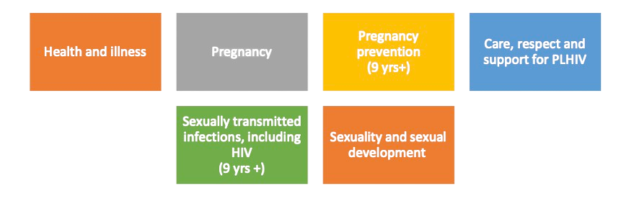

8
Details

Country | 0
Latest Date of Update | 0
Contact name & email | 0
Curriculum Material Reviewed | 0

Programme Content for Lower Primary (6 - 8 years)
Type of learning | Are the following objectives covered by the programme? | Response | Comment
Knowledge | Identify and learn how to talk about different feelings and emotions. |  |  | Type | Yes | Somewhat | No | I dont know
Skill | Demonstrate skills to express different emotions and how to self-regulate one’s emotions, such as anger awareness. |  |  | Count | 0 | 0 | 0 | 0
Skill | Demonstrate emotional regulation and cooperation skills within the peer group.
Knowledge | Identify signs of healthy and unhealthy friendships. |  |  | Types | Present | Present to some extent | Absent | No response
Attitudinal | Acknowledge that all children need supportive friendships and social connections. |  |  | Knowledge | 0 | 0 | 0 | 0
Skill | Identify a trusted adult who can be a source of help and support if they experience difficult emotions or mental health challenges. |  |  | Skill | 0 | 0 | 0 | 0
 |  |  |  | Attitudinal | 0 | 0 | 0 | 0

Coverage of objectives by the programme
Content by type of learning

Programme Content for Upper Primary (9-12 years)
Type of learning | Are the following objectives covered by the programme? | Response | Comment | Type | Yes | Somewhat | No | I dont know
Knowledge | Describe how mental health and psychosocial well-being are influenced by lived experiences, interactions with peers, families, schools and communities, socio-cultural issues and other contextual factors. |  |  | Count | 0 | 0 | 0 | 0
Knowledge | Describe ways that children and adolescents can manage stressors in daily life.
Knowledge | Explain the connection between good physical health and good mental health. |  |  | Types | Present | Present to some extent | Absent | No response
Knowledge | Explain how emotions influence behaviours and how this can affect a person’s health. |  |  | Knowledge | 0 | 0 | 0 | 0
Skill | Demonstrate problem solving skills to resolve social difficulties. |  |  | Skill | 0 | 0 | 0 | 0
Skill | Reflect on what gives a sense of purpose, gratitude and happiness in one’s life.
Skill | Develop self-help, coping and resilience skills.
Knowledge | Identify mechanisms to access help.
Skill | Identify where to seek help for mental health problems in the wider community (e.g. helplines, health services, etc.).
Skill | Reflect on the negative effects of stigma and myths related to mental health difficulties and illnesses.
Knowledge | Describe the connection between substance use and mental health issues such as dependency and social problems.
Knowledge | Describe how experiencing violence (at school, at home or in the community) can impact mental health.

Coverage of objectives by the programme
Content by type of learning
 | Present | Present to some extent | Absent | No response
Knowledge | 0 | 0 | 0 | 0
Skill | 0 | 0 | 0 | 0

Notes
Mental health is an integral component of health and well-being and influences academic, social and economic outcomes across a person’s lifespan. More than 250 million children and adolescents worldwide experience mental health disorders and mental illness is among the leading causes of disease burden among children and young people (Stelmach et al., 2022). This high prevalence has repercussions for children and adolescents’ health, education and their ability to reach their full potential (UNICEF, 2021b). Around half of all mental health disorders emerge before the age of 18, signalling the importance of promoting positive mental health with younger learners (Solmi et al.2022).
When developing content on mental health and psychosocial well-being for primary school curricula, the following considerations are important:
Promote a positive understanding of mental health and psychosocial well-being that goes beyond the mere absence of illness. Mental health and psychosocial well-being is a state in whichindividuals recognize their personal abilities, manage everyday stressors effectively, excel in learning, foster meaningful connections and actively engage in their community.
Social and emotional skills are a cornerstone for good mental health. For primary school-aged learners, it can be helpful to focus on skills for good mental health, including skills for managing emotions, fostering positive social connections and seeking support.
Teaching learners from an early age about positive and healthy friendships, social-emotional skills and how to prevent bullying can contribute to promoting good mental health. Primary school is a space where children and very young adolescents forge many of their friendships. Healthy friendships can contribute to good mental health, while bullying and exclusion from friendshipsare risk factors for poor mental health, with lasting effects in later stages of life (UNICEF, 2021b).
Design curricula that reduce stigma related to mental health and mental illnesses. The stigma against mental illness and disorders contributes to children not seeking support, because they are afraid of being labelled as having a mental health problem (UNESCO, 2023).
Ensure that content on mental health, and available referral services, are inclusive. Consider the specific needs of children and adolescents of marginalised groups when designing strategies to address mental health in schools (WHO, UNESCO and UNICEF, 2022). Even in resource-constrained settings, schools can foster a safe, positive and inclusive environment and implement strategies such as embedding mental health literacy and social and emotional learning into classroom learning, encouraging physical activity and recreational opportunities, promoting awareness of mental health among the education workforce and collaborating with local community organisations or health services.
Education on mental health is most effective when delivered in learning environments that support the positive mental health and psychosocial well-being of learners, teachers and other school staff. Supportive school based policies and enhancing school staff capacity on this topic are crucial (WHO, UNESCO and UNICEF, 2022).
Schools can benefit from working with health practitioners or trained school counsellors to implement screenings and early interventions for mental health and psychosocial support services. Where school-based mental health professionals are not available, it is important to establish a well-defined process to refer learners, teachers and other school staff locally available health services (WHO, UNESCO and UNICEF, 2022).
As a complement to school-based curricula, parent and caregiver support groups can be created and engagement activities can be implemented with local communities. This can promote meaningful social connections that are supportive of primary school learners’ mental health (WHO, UNESCO and UNICEF, 2022).
Topics of particular importance for primary school-aged learners to understand and address regarding mental health include:

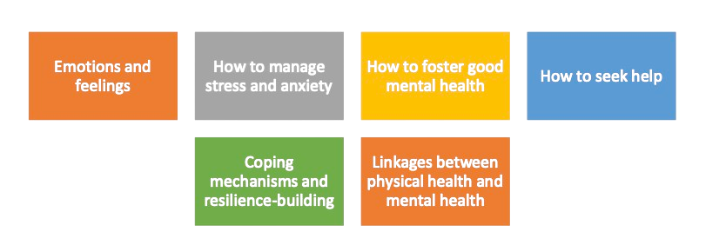

9
Details

Country | 0
Latest Date of Update | 0
Contact name & email | 0
Curriculum Material Reviewed | 0

Programme Content for Lower Primary (6 - 8 years)
Type of learning | Are the following objectives covered by the programme? | Response | Comment
Knowledge | Identify different food groups (e.g. fruits, vegetables, grains, protein, dairy) and give examples of foods in each group. |  |  | Type | Yes | Somewhat | No | I dont know
Skill | Distinguish between healthy foods and unhealthy foods. |  |  | Count | 0 | 0 | 0 | 0
Knowledge | Discuss how limiting the consumption of foods that are processed and high in added sugars, salts and fats is beneficial for health.
Knowledge | Describe the importance of clean, safe drinking water for health and identify where to find it in their community.
Knowledge | Explain how being physically active on a daily basis is part of a healthy lifestyle – for boys and girls.
Skill | Demonstrate a variety of fundamental motor skills suitable for their age and developmental level.
Attitudinal | Demonstrate positive attitude towards physical activity, including expressing personal interests in physical activities.
Skill | Describe and, where possible, demonstrate water safety skills to anticipate, avoid, and survive common drowning situations. |  |  | Types | Present | Present to some extent | Absent | No response
 |  |  |  | Knowledge | 0 | 0 | 0 | 0
 |  |  |  | Skill | 0 | 0 | 0 | 0

Coverage of objectives by the programme
Content by type of learning
 | Present | Present to some extent | Absent | No response
Knowledge | 0 | 0 | 0 | 0
Skill | 0 | 0 | 0 | 0

Programme Content for Upper Primary (9-12 years)
Type of learning | Are the following objectives covered by the programme? | Response | Comment | Type | Yes | Somewhat | No | I dont know
Knowledge | Describe how the nutrients in food help people grow and stay healthy. |  |  | Count | 0 | 0 | 0 | 0
Knowledge | Describe a healthy meal containing foods from different food groups.
Skill | Create a healthy meal containing foods from different food groups.
Skill | Demonstrate skills on how to interpret nutrition labelling on foods. |  |  | Types | Present | Present to some extent | Absent | No response
Knowledge | Describe ways to store food safely. |  |  | Knowledge | 0 | 0 | 0 | 0
Knowledge | Explain how drinking water may be contaminated, and how it can be collected, sterilized and stored safely. |  |  | Skill | 0 | 0 | 0 | 0
Knowledge | Describe how at least 60 minutes of daily physical activity contributes to good physical and mental health for children of their age.
Skill | Demonstrate gross-motor skills, such as coordination and fundamental movements, suitable for their age and developmental level.
Knowledge | Identify the risks associated with obesity, being underweight and eating disorders.
Knowledge | Explain the how the combination of good nutrition and regular physical activity contributes to good health and well-being.

Coverage of objectives by the programme
Content by type of learning
 | Present | Present to some extent | Absent | No response
Knowledge | 0 | 0 | 0 | 0
Skill | 0 | 0 | 0 | 0

Notes
Access to healthy, safe and nutritious food is essential for child and adolescent growth, neurocognitive development, disease prevention and lifelong health. Access to healthy food is a fundamental human right and a key determinant for socio-emotional well-being (WHO et al., 2023a). Primary schools are a vital space for children and adolescents to develop health and food literacy and to foster lifelong healthy eating and drinking habits.
Likewise, physical activity is essential for health and well-being, while also contributing to positive learning outcomes. Health and well-being benefits include improved cardiovascular health, increased muscle and bone strength, healthy weight maintenance, improved sleep quality, boosted self-esteem and confidence, and reduced symptoms associated with anxiety and depression. Engaging in regular physical activity during childhood enhances the likelihood of maintaining an active lifestyle into adulthood, lowering the risk of chronic health issues and non-communicable diseases. Regular physical activity also has a positive influence on cognitive development, which can boost learning outcomes (WHO et al., 2023b). Schools can provide equitable access to structured physical activity, including through quality physical education.
When developing content on nutrition and physical activity for primary school curricula, the following considerations are important:
For younger learners, it is recommended to link theory on nutrition with concrete examples of healthy eating (UNICEF, 2021c). This can be done through experiential learning activities, such as cooking activities, garden-based activities and other hands-on experiences help foster useful skills while teaching learners about healthy eating habits (UNICEF, 2021c; UNESCO, 2023). Linking curriculum-based nutrition learning with school meal programmes can also be useful to reinforce learning about healthy eating.
Nutrition education must be context-specific and based on local diets and social and cultural customs related to food preparation and consumption.
Exposure to media and marketing has a significant influence on the eating behaviours of children and adolescents. Often this can increase their consumption of non-healthy products or lead to body-image issues and eating disorders (UNICEF, 2021c). Curricula should include a focus on media literacy skills to help learners be less influenced by unhealthy marketing.
It is vital that caregivers and teachers address nutrition matters with respect and from a positive approach, avoiding judgment, body-shaming and guilt. When not addressed properly, children can develop eating disorders and their physical and mental health is put at risk. Young children’s nutrition mostly depends on their caregivers and schools, which makes it important to establish linkages between schools and families.
Fundamental movement and coordination skills (or gross motor skills) are vital for physical and social development. Childhood is a critical time for the acquisition of such skills. An emphasis should be placed primary school curricula to support learners to develop these skills. Movementbased learning and recreational activities, including those that encourage running, jumping, dancing, climbing and skipping are recommended (UNESCO, 2015).
Physical activity can be encouraged through the integration of play-based methods and active learning into core curricular subjects (for example counting steps walked around a classroom to estimate distance) (WHO et al., 2023b). This may require adaptations to classroom design and learning environments. For example, creating learning stations that encourage learners to move to different spaces in the classroom throughout the day. Another option is to schedule some lessons in outdoor settings (WHO, 2021).
Quality physical education is characterised by regular frequency, a variety of activities, inclusivity and the intentional inclusion of values content. It places emphasis on peer-led learning and promotes well-balanced skills development that fosters social, cooperative and problem-solving competencies (UNESCO, 2021).
Ensuring a safe environment that protects the dignity and rights of all learners is vital for quality physical education and active learning within primary schools (WHO, 2021).
Topics of particular importance for primary school-aged learners to learn about nutrition and physical activity include:

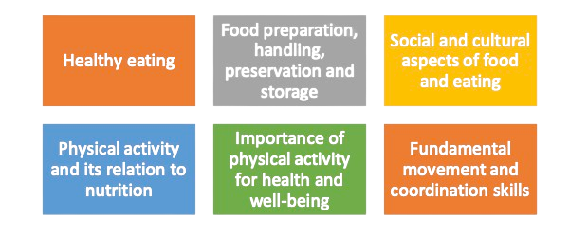

Results
Theme | Count
Skills for Health and Well-being | 0
Social Relations | 0
Understanding Gender | 0
Preventing Violence and Staying Safe | 0
Values, Rights and Culture | 0
Coverage of objectives by the programme (6-8 years)
Skills for Health and Well-being | 0
Social Relations | 0
Understanding Gender | 0
Preventing Violence and Staying Safe | 0
Values, Rights and Culture | 0
The Human Body and Development | 0
Sexual and Reproductive Health and Development | 0
Mental Health and Psychosocial Well-being | 0
Nutrition and Physical Activity | 0
Coverage of objectives by the programme (9-12 years)
Skills for Health and Well-being | 0
Social Relations | 0
Understanding Gender | 0
Preventing Violence and Staying Safe | 0
Values, Rights and Culture | 0
The Human Body and Development | 0
Sexual and Reproductive Health and Development | 0
Mental Health and Psychosocial Well-being | 0
Nutrition and Physical Activity | 0
The Human Body and Development | 0
Sexual and Reproductive Health and Development | 0
Mental Health and Psychosocial Well-being | 0
Nutrition | 0

Theme | Count
Skills for Health and Well-being | 0
Social Relations | 0
Understanding Gender | 0
Preventing Violence and Staying Safe | 0
Values, Rights and Culture | 0
The Human Body and Development | 0
Sexual and Reproductive Health and Development | 0
Mental Health and Psychosocial Well-being | 0
Nutrition | 0

Results (2)
Coverage of objectives by the programme (6-8 years)

 | Theme | Count
 | Skills for Health and Well-being | 0
 | Social Relations | 0
 | Understanding Gender | 0
 | Preventing Violence and Staying Safe | 0
 | Values, Rights and Culture | 0
 | The Human Body and Development | 0
 | Sexual and Reproductive Health and Development | 0
 | Mental Health and Psychosocial Well-being | 0
 | Nutrition and Physical Activity | 0

Skills for Health and Well-being

 | Yes | Somewhat | No | I dont know
Count | 0 | 0 | 0 | 0
Coverage of objectives by the programme
Content by type of learning
 | Present | Present to some extent | Absent | No response
Knowledge | 0 | 0 | 0 | 0
Skill | 0 | 0 | 0 | 0
Attitudinal | 0 | 0 | 0 | 0

Social Relations
 | Yes | Somewhat | No | I dont know
Count | 0 | 0 | 0 | 0
Coverage of objectives by the programme
Content by type of learning
 | Present | Present to some extent | Absent | No response
Knowledge | 0 | 0 | 0 | 0
Skill | 0 | 0 | 0 | 0
Attitudinal | 0 | 0 | 0 | 0

Understanding Gender
 | Yes | Somewhat | No | I dont know
Count | 0 | 0 | 0 | 0
Content by type of learning
 | Present | Present to some extent | Absent | No response
Knowledge | 0 | 0 | 0 | 0
Attitudinal | 0 | 0 | 0 | 0
Coverage of objectives by the programme

Preventing Violence and Staying Safe
 | Yes | Somewhat | No | I dont know
Count | 0 | 0 | 0 | 0
Coverage of objectives by the programme
Content by type of learning
 | Present | Present to some extent | Absent | No response
Knowledge | 0 | 0 | 0 | 0
Skill | 0 | 0 | 0 | 0
Attitudinal | 0 | 0 | 0 | 0

Values, Rights and Culture
 | Yes | Somewhat | No | I dont know
Count | 0 | 0 | 0 | 0
Content by type of learning
 | Present | Present to some extent | Absent | No response
Knowledge | 0 | 0 | 0 | 0
Skill | 0 | 0 | 0 | 0
Attitudinal | 0 | 0 | 0 | 0
Coverage of objectives by the programme

The Human Body and Development

 | Yes | Somewhat | No | I dont know
Count | 0 | 0 | 0 | 0
Coverage of objectives by the programme
Content by type of learning
 | Present | Present to some extent | Absent | No response
Knowledge | 0 | 0 | 0 | 0
Skill | 0 | 0 | 0 | 0
Attitudinal | 0 | 0 | 0 | 0

Sexual and Reproductive Health and Development

 | Yes | Somewhat | No | I dont know
Count | 0 | 0 | 0 | 0
Coverage of objectives by the programme
Content by type of learning
 | Present | Present to some extent | Absent | No response
Knowledge | 0 | 0 | 0 | 0
Attitudinal | 0 | 0 | 0 | 0

Mental Health and Psychosocial Well-being

 | Yes | Somewhat | No | I dont know
Count | 0 | 0 | 0 | 0
Coverage of objectives by the programme
Content by type of learning
 | Present | Present to some extent | Absent | No response
Knowledge | 0 | 0 | 0 | 0
Skill | 0 | 0 | 0 | 0
Attitudinal | 0 | 0 | 0 | 0

Nutrition and Physical Activity
 | Yes | Somewhat | No | I dont know
Count | 0 | 0 | 0 | 0
Content by type of learning
 | Present | Present to some extent | Absent | No response
Knowledge | 0 | 0 | 0 | 0
Skill | 0 | 0 | 0 | 0
Coverage of objectives by the programme

Results (3)
Coverage of objectives by the programme (9-12 years)

 | Theme | Count
 | Skills for Health and Well-being | 0
 | Social Relations | 0
 | Understanding Gender | 0
 | Preventing Violence and Staying Safe | 0
 | Values, Rights and Culture | 0
 | The Human Body and Development | 0
 | Sexual and Reproductive Health and Development | 0
 | Mental Health and Psychosocial Well-being | 0
 | Nutrition and Physical Activity | 0

 | Theme | Count
 | Skills for Health and Well-being | 0
Skills for Health and Well-being | Social Relations | 0
 | Yes | Somewhat | No | I dont know
Count | 0 | 0 | 0 | 0
Content by type of learning
 | Present | Present to some extent | Absent | No response
Knowledge | 0 | 0 | 0 | 0
Skill | 0 | 0 | 0 | 0
 | Understanding Gender | 0
 | Preventing Violence and Staying Safe | 0
 | Values, Rights and Culture | 0
 | The Human Body and Development | 0
 | Sexual and Reproductive Health and Development | 0
 | Mental Health and Psychosocial Well-being | 0
 | Nutrition and Physical Activity | 0
Social Relations
 | Yes | Somewhat | No | I dont know
Count | 0 | 0 | 0 | 0
Content by type of learning
 | Present | Present to some extent | Absent | No response
Knowledge | 0 | 0 | 0 | 0
Skill | 0 | 0 | 0 | 0
Coverage of objectives by the programme

Understanding Gender

 | Yes | Somewhat | No | I dont know
Count | 0 | 0 | 0 | 0
Coverage of objectives by the programme
Content by type of learning
 | Present | Present to some extent | Absent | No response
Knowledge | 0 | 0 | 0 | 0
Skill | 0 | 0 | 0 | 0
Attitudinal | 0 | 0 | 0 | 0

Preventing Violence and Staying Safe

 | Yes | Somewhat | No | I dont know
Count | 0 | 0 | 0 | 0
Content by type of learning
 | Present | Present to some extent | Absent | No response
Knowledge | 0 | 0 | 0 | 0
Skill | 0 | 0 | 0 | 0
Attitudinal | 0 | 0 | 0 | 0
Coverage of objectives by the programme

Values, Rights and Culture

 | Yes | Somewhat | No | I dont know
Count | 0 | 0 | 0 | 0
Coverage of objectives by the programme
Content by type of learning
 | Present | Present to some extent | Absent | No response
Knowledge | 0 | 0 | 0 | 0
Skill | 0 | 0 | 0 | 0

The Human Body and Development

 | Yes | Somewhat | No | I dont know
Count | 0 | 0 | 0 | 0
Coverage of objectives by the programme
Content by type of learning
 | Present | Present to some extent | Absent | No response
Knowledge | 0 | 0 | 0 | 0
Skill | 0 | 0 | 0 | 0
Attitudinal | 0 | 0 | 0 | 0

Sexual and Reproductive Health and Development

 | Yes | Somewhat | No | I dont know
Count | 0 | 0 | 0 | 0
Coverage of objectives by the programme
Content by type of learning
 | Present | Present to some extent | Absent | No response
Knowledge | 0 | 0 | 0 | 0
Skill | 0 | 0 | 0 | 0
Attitudinal | 0 | 0 | 0 | 0

Mental Health and Psychosocial Well-being

 | Yes | Somewhat | No | I dont know
Count | 0 | 0 | 0 | 0
Coverage of objectives by the programme
Content by type of learning
 | Present | Present to some extent | Absent | No response
Knowledge | 0 | 0 | 0 | 0
Skill | 0 | 0 | 0 | 0

Nutrition and Physical Activity

 | Yes | Somewhat | No | I dont know
Count | 0 | 0 | 0 | 0
Content by type of learning
 | Present | Present to some extent | Absent | No response
Knowledge | 0 | 0 | 0 | 0
Skill | 0 | 0 | 0 | 0
Coverage of objectives by the programme

